Questions
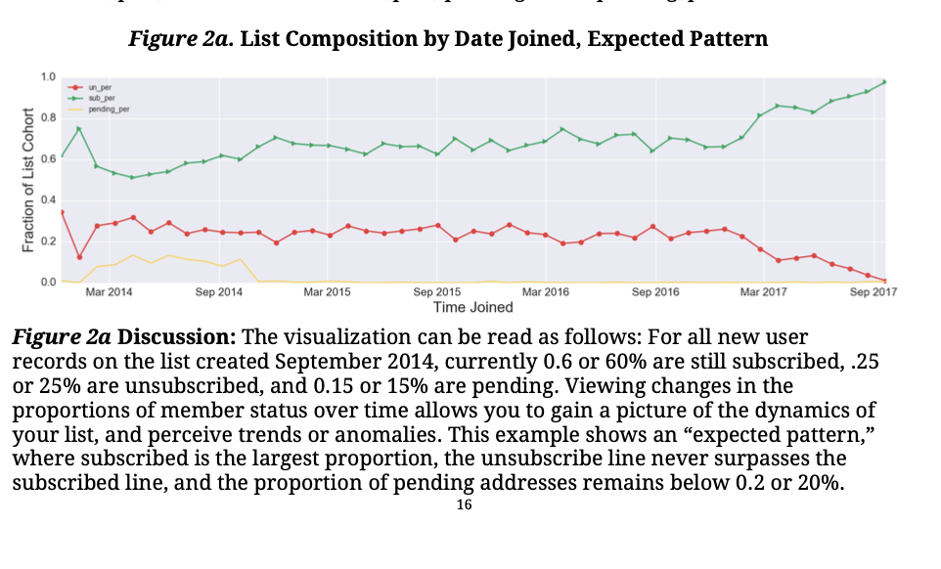
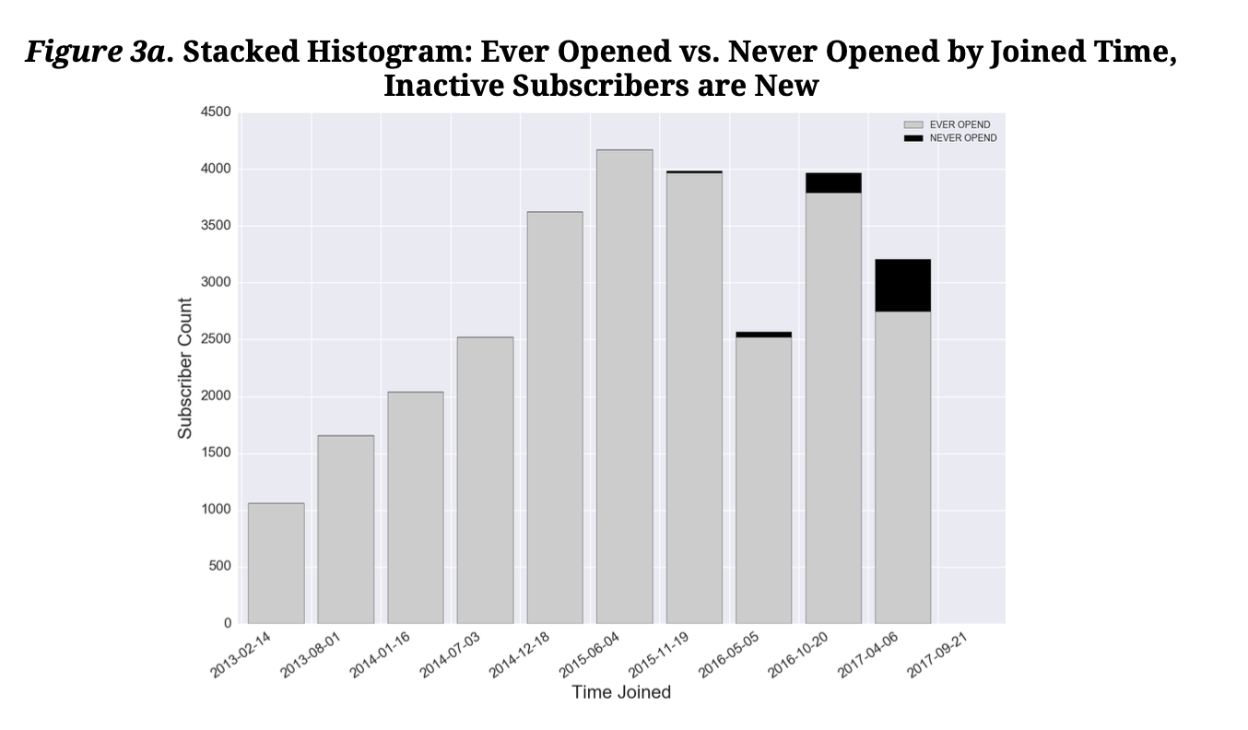
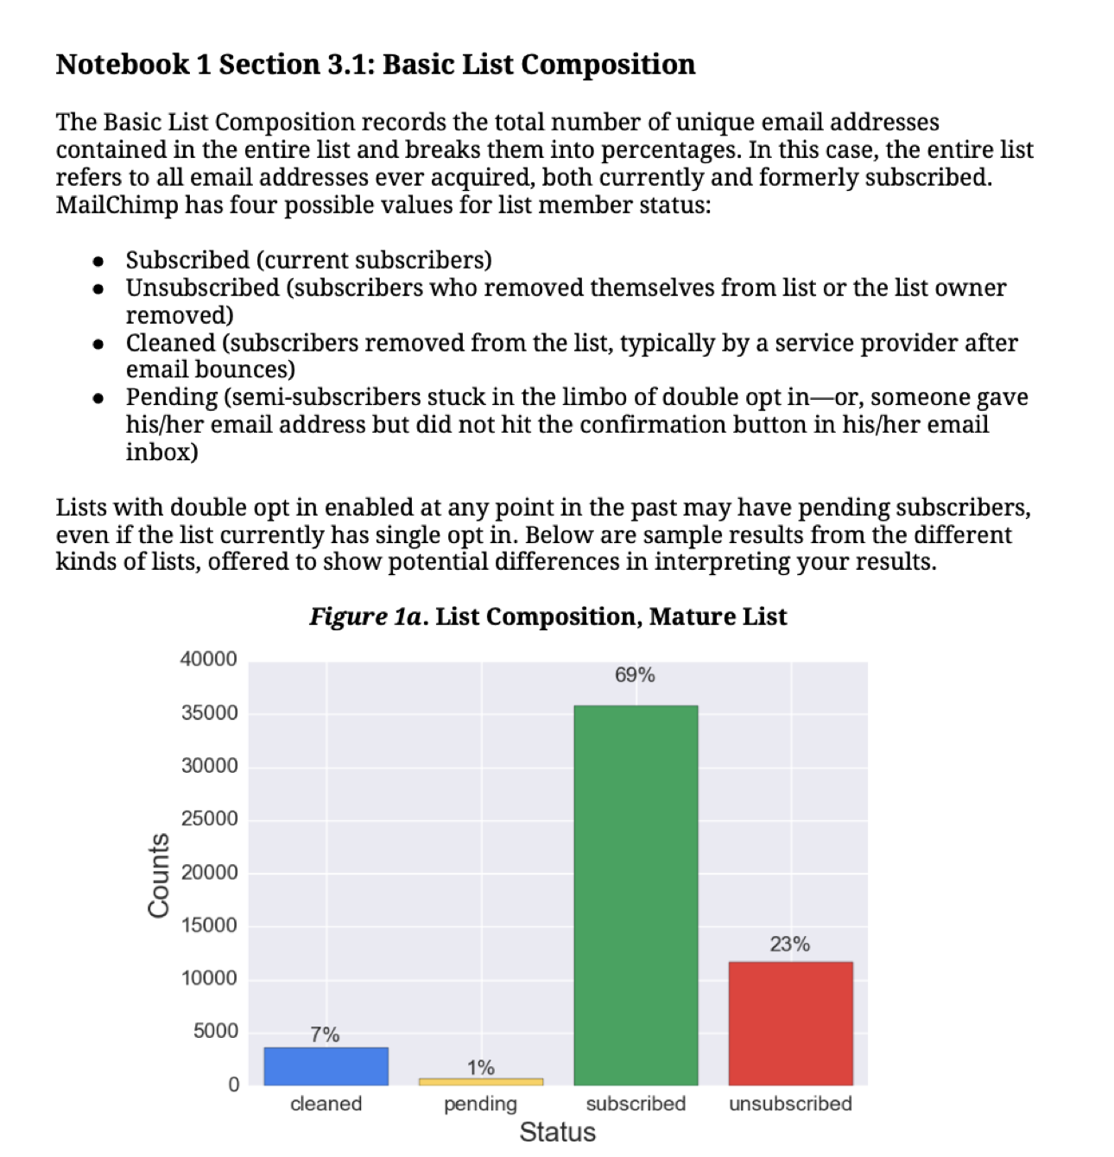
Questions | Metrics | Calculations | Notes
1. The value of email (how are you currently using emails to drive growth among current and new customers?
2. Who is your email audience?
3. Consistintly Define Labels and Metrics
 | list size
 | open rate
 | click rate
4. Calculations:
4a - Open Rate | Open Rate: | (unique opens / Emails sent - hard bounces ) x 100 |  | Unsubscribe / Opt Out Rate
4b - Click Rate | Click Rate: | (Unique Clicks / Unique Opens) X 100 |  | (Successful Emails sent (not bounced) / # response of opt out / unsubscribe) X 100
4c - Deliverability | Deliverability | (Emails sent / Emails bounced back) X 100
4d - Unsubscribed | Unsubscribe / Opt Out Rate | (Successful Emails sent (not bounced) / # response of opt out / unsubscribe) X 100

5. HTML Email Templates - AJ |  |  | Guaranteed to improve readability, accessibility, and response rate
6. Third Party Integration (MailChimp, etc.)
6a - pulling data from MailChimp API
6b - transform the data into Pandas dataframe
6c - Manipulates, transforms, slices, and visualizes the data
 | Basic List Composition | Cleaned, Pending, Subscribed, Unsubscribed
 | Figure 2a. List Composition by Date Joined, Expected Pattern
 | Figure 3a. Stacked Histogram: Ever Opened vs. Never Opened by Joined Time,
 | Inactive Subscribers are New

